Sheet1
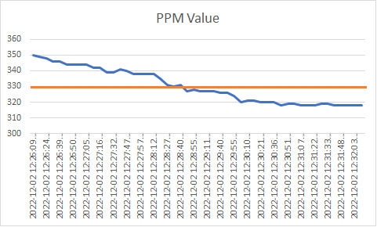
created_at | value | value after *2
2022-12-02 12:26:09 UTC | 350 | 122500
2022-12-02 12:26:16 UTC | 349 | 121801
2022-12-02 12:26:24 UTC | 348 | 121104
2022-12-02 12:26:31 UTC | 346 | 119716
2022-12-02 12:26:39 UTC | 346 | 119716
RMS = 330.18
2022-12-02 12:26:47 UTC | 344 | 118336
2022-12-02 12:26:50 UTC | 344 | 118336
2022-12-02 12:26:57 UTC | 344 | 118336
2022-12-02 12:27:05 UTC | 344 | 118336
2022-12-02 12:27:09 UTC | 342 | 116964
2022-12-02 12:27:16 UTC | 342 | 116964
2022-12-02 12:27:24 UTC | 339 | 114921
2022-12-02 12:27:32 UTC | 339 | 114921
2022-12-02 12:27:39 UTC | 341 | 116281
2022-12-02 12:27:47 UTC | 340 | 115600
2022-12-02 12:27:54 UTC | 338 | 114244
2022-12-02 12:27:57 UTC | 338 | 114244
2022-12-02 12:28:04 UTC | 338 | 114244
2022-12-02 12:28:12 UTC | 338 | 114244
2022-12-02 12:28:19 UTC | 335 | 112225
2022-12-02 12:28:27 UTC | 331 | 109561
2022-12-02 12:28:30 UTC | 330 | 108900
2022-12-02 12:28:40 UTC | 331 | 109561
2022-12-02 12:28:47 UTC | 327 | 106929
2022-12-02 12:28:55 UTC | 328 | 107584
2022-12-02 12:29:03 UTC | 327 | 106929
2022-12-02 12:29:11 UTC | 327 | 106929
2022-12-02 12:29:33 UTC | 327 | 106929
2022-12-02 12:29:40 UTC | 326 | 106276
2022-12-02 12:29:48 UTC | 326 | 106276
2022-12-02 12:29:55 UTC | 324 | 104976
2022-12-02 12:30:03 UTC | 320 | 102400
2022-12-02 12:30:10 UTC | 321 | 103041
2022-12-02 12:30:18 UTC | 321 | 103041
2022-12-02 12:30:21 UTC | 320 | 102400
2022-12-02 12:30:28 UTC | 320 | 102400
2022-12-02 12:30:36 UTC | 320 | 102400
2022-12-02 12:30:44 UTC | 318 | 101124
2022-12-02 12:30:51 UTC | 319 | 101761
2022-12-02 12:30:59 UTC | 319 | 101761
2022-12-02 12:31:07 UTC | 318 | 101124
2022-12-02 12:31:15 UTC | 318 | 101124
2022-12-02 12:31:22 UTC | 318 | 101124
2022-12-02 12:31:30 UTC | 319 | 101761
2022-12-02 12:31:33 UTC | 319 | 101761
2022-12-02 12:31:41 UTC | 318 | 101124
2022-12-02 12:31:48 UTC | 318 | 101124
2022-12-02 12:31:56 UTC | 318 | 101124
2022-12-02 12:32:03 UTC | 318 | 101124
2022-12-02 12:32:11 UTC | 318 | 101124
SUM | 16509 | 272547081
AVERAGE | 330.18 | 109018.8324
Root Means Square | 18.170855786 | 330.18

